Composite
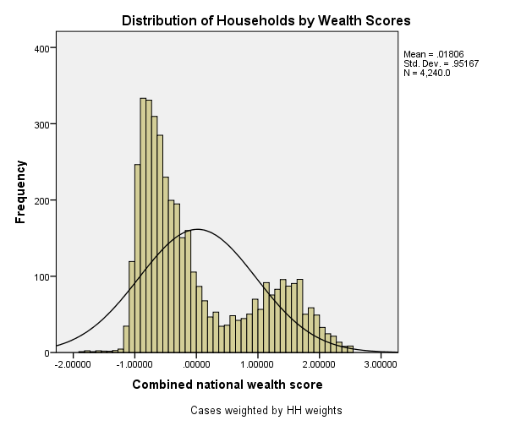
Combined Scores

 | Urban Area

 |  | Coefficientsa
 |  | Model |  | Unstandardized Coefficients |  | Standardized Coefficients | t | Sig.
 |  |  |  | B | Std. Error | Beta
 |  | 1 | (Constant) | 1.281 | 0.011 |  | 121.652 | 0.000
 |  |  | urbscore Urban wealth score | 0.701 | 0.011 | 0.897 | 66.561 | 0.000
 |  | a. Dependent Variable: comscore Common wealth score

 |  |  | Combined Score= 1.281 + .701* Urban Score

 | Rural

 |  | Coefficientsa
 |  | Model |  | Unstandardized Coefficients |  | Standardized Coefficients | t | Sig.
 |  |  |  | B | Std. Error | Beta
 |  | 1 | (Constant) | -0.435 | 0.006 |  | -73.539 | 0.000
 |  |  | rurscore Rural wealth score | 0.523 | 0.006 | 0.844 | 88.418 | 0.000
 |  | a. Dependent Variable: comscore Common wealth score

 |  |  | Combined Score= -.435 + .523 * Rural Score

 | Combined Score

 |  | Statistics
 |  | combscor Combined national wealth score
 |  | N | Valid | 4240
 |  |  | Missing | 0
 |  | Mean |  | 0.0180571
 |  | Std. Error of Mean |  | 0.01461518
 |  | Median |  | -0.3598557
 |  | Mode |  | -1.13880a
 |  | Std. Deviation |  | 0.95167183
 |  | Skewness |  | 0.825
 |  | Std. Error of Skewness |  | 0.038
 |  | Kurtosis |  | -0.651
 |  | Std. Error of Kurtosis |  | 0.075
 |  | Minimum |  | -1.86849
 |  | Maximum |  | 2.53006
 |  | Percentiles | 20 | -0.7921255
 |  |  | 40 | -0.5365187
 |  |  | 60 | -0.1265431
 |  |  | 80 | 1.1362524
 |  | a. Multiple modes exist. The smallest value is shown

 | histrogram

